Questions
Use the data in the Transactions worksheet to answer the questions below |  |  | Question 2:
The data represents the sales transactions for trainings conducted in the fiscal years 2016 |  |  | In the Report worksheet. create a summary showing the total revenue generated per program
and 2017 for Ruku Analytics Ltd. |  |  | for each of the two years and present the same in a chart similar to the one shown below
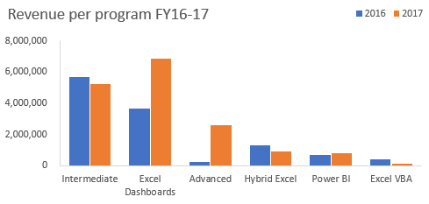
Question 1:
Use a function/formula to populate the following columns:
 | a) | Unit Price -this is based on the price matrix per program given on the Transactions worksheet
 | b) | Sales Amount
 | c) | Year & Month columns based on the transaction date
 | d) | Customer Loading column. This should combine the client code and the client name as shown
 |  | in the image below
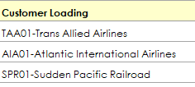

 |  |  | Question 3:
 |  |  | From the chart created in question 2, the share of Power BI is marginal.
 |  |  | The products manager of DC Analytics Ltd feels if efforts are enhanced this program has the
 |  |  | potential to be a main revenue earner.
 |  |  | Please advise the manager on some of the strategies he can implement to achieve this goal. Type your thoughts below
 |  |  | I would advice that they have well defined goals that the product is set to achieve. Since Power Bi is a great tool for analysing and visualising raw data and helps business analytics to make decisions for business defining its goals would be a great start. The manager can also ensure that all the employees in the company have knowledge on how to utilise power Bi in order to maximise the profits.

Report
Sum of Sales Amount | Column Labels
Row Labels | 2016 | 2017 | Grand Total
Advanced | 264600 | 2623950 | 2888550
Excel Dashboards | 3657445 | 6849397 | 10506842
Excel VBA | 435200 | 163200 | 598400
Hybrid Excel | 1315560 | 900120 | 2215680
Intermediate | 5668540 | 5218060 | 10886600
 | 2016 | 2017
Advanced | 264600 | 2623950
Excel Dashboards | 3657445 | 6849397
Excel VBA | 435200 | 163200
Hybrid Excel | 1315560 | 900120
Intermediate | 5668540 | 5218060
Power BI | 677990 | 813588
Power BI | 677990 | 813588 | 1491578
Grand Total | 12019335 | 16568315 | 28587650

